Script
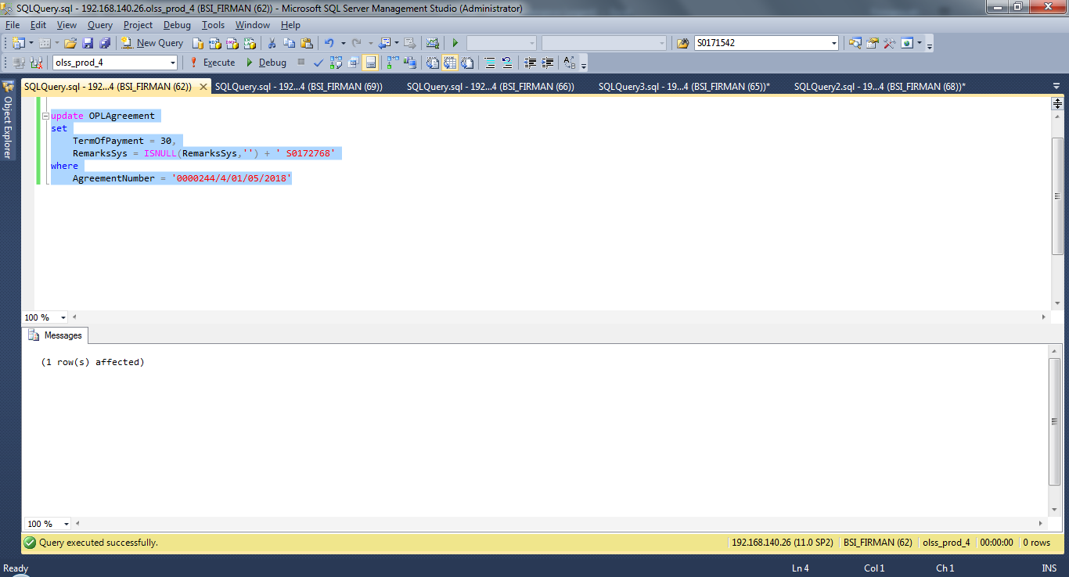
update OPLAgreement
set
 | TermOfPayment = 30,
 | RemarksSys = ISNULL(RemarksSys,'') + ' S0172768'
where
 | AgreementNumber = '0000244/4/01/05/2018'

Screenshot
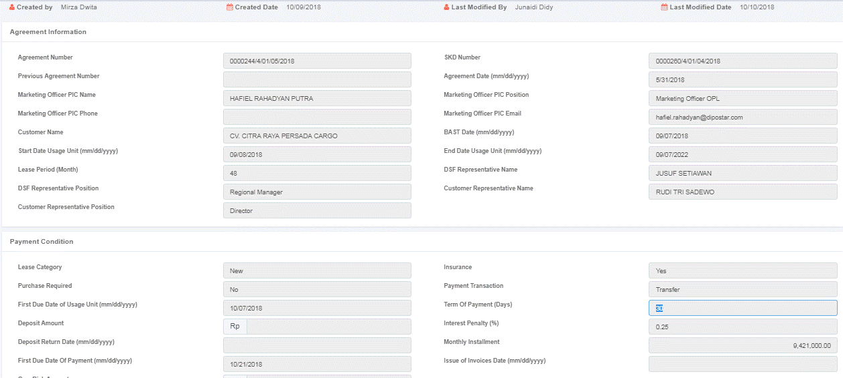
BEFORE
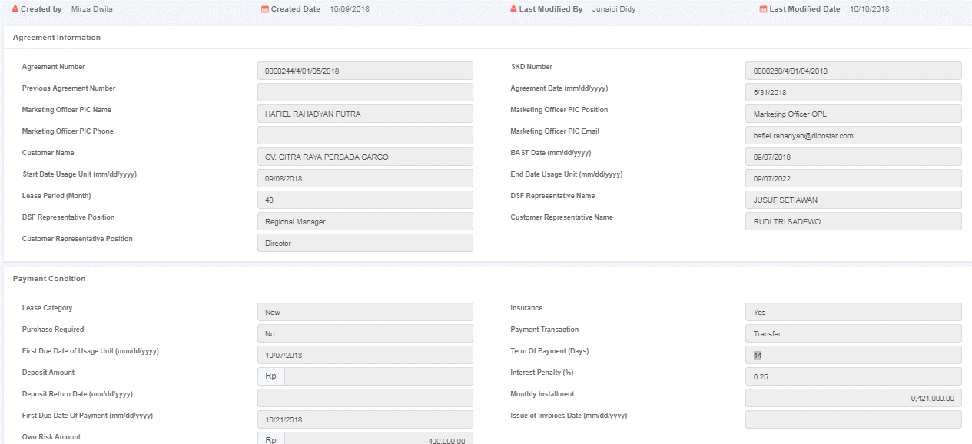

AFTER

